BEAM DESIGN
 |  | ENGINEERING CONSULTANT NAME COMPANY ADDRESS WEBSITE |  | Project: |  | SAMPLE PROJECT NAME |  |  |  |  |  | Design of Rectangular Beams with Compression Reinforcement ACI 318M-14
 |  |  |  |  |  |  |  |  |  |  |  | This spreadsheet is prepared and developed by Ehab Attalla, BSc (Hons.) Civil, CEng
 |  |  |  | Job No: |  | xxx-xxxx |  |  | Sheet No: |  | 01 | Copyright © 2020-2023 Ehab Attalla. All rights reserved.
Page Type: |  | CALCULATION SHEET |  | Prepared By: |  | EA |  |  | Date: |  | 2023-11-21 | Disclaimer: THE AUTHOR DISCLAIM ALL WARRANTIES RELATING TO THIS SPREADSHEET/SOFTWARE, WHETHER EXPRESSED OR IMPLIED, INCLUDING BUT NOT LIMITED TO ANY IMPLIED WARRANTIES OF MERCHANTABILITY OR FITNESS FOR A PARTICULAR PURPOSE. THE AUTHOR SHALL NOT BE LIABLE FOR ANY INDIRECT, CONSEQUENTIAL, OR INCIDENTAL DAMAGES ARISING OUT OF THE USE OR INABILITY TO USE SUCH SPREADSHEET/SOFTWARE, EVEN IF THE AUTHOR HAS BEEN ADVISED OF THE POSSIBILITY OF SUCH DAMAGES OR CLAIMS. THE PERSON USING THE SPREADSHEET/SOFTWARE BEARS ALL RISK AS TO THE QUALITY AND PERFORMANCE OF THE SPREADSHEET/SOFTWARE. ALTHOUGH EVERY EFFORT HAS BEEN MADE TO ENSURE THE ACCURACY OF THIS SPREADSHEET/SOFTWARE, USERS SHOULD VERIFY THE RESULTS FOR THEMSELVES.
Section: |  | STRENGTH DESIGN |  | Checked By: |  | EA |  |  | Revision: |  | 00

 | DESIGN OF RECTANGULAR BEAMS WITH COMPRESSION REINFORCEMENT ACI 318M-14 |  |  |  |  |  |  |  |  | REF.

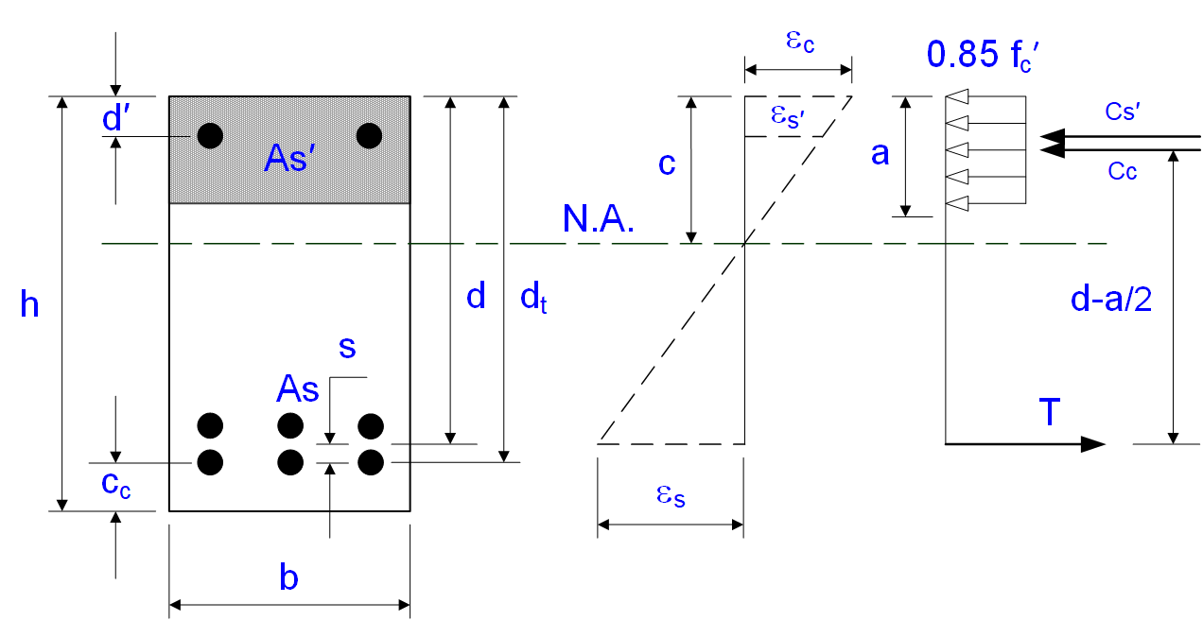
 |  |  |  |  |  |  |  |  |  |  |  | Revision History:
 |  |  |  |  |  |  |  |  |  |  |  | Revision | Date(yyyy/mm/dd) | Description
 |  |  |  |  |  |  |  |  |  |  |  | 0 | 2020/10/02 | Design of Rectangular Beams with Compression Reinforcement ACI 318M-14 v1.0
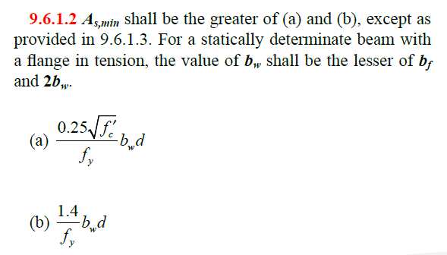

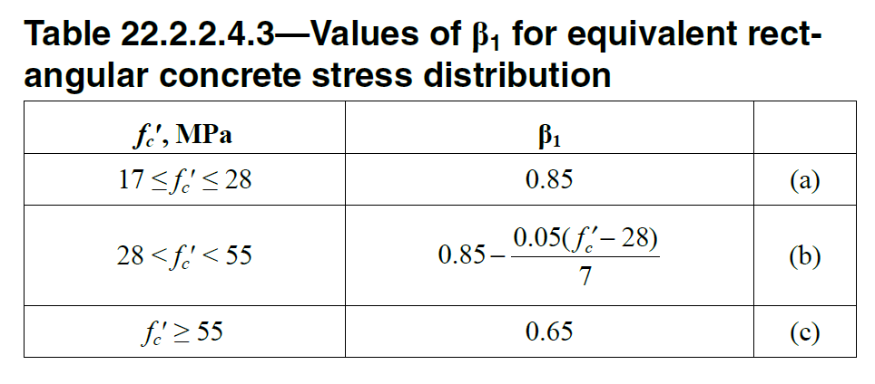
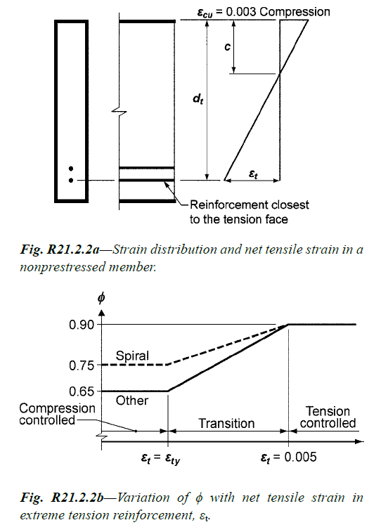

 | Material Properties |  |  |  |  |  |  |  |  | VALID DESIGN!
 | Cylinder Compressive Strength of Concrete at 28-days, fc′ = |  | 40 |  | N/mm2
 | Yield Strength of Reinforcement Bars, fy = |  | 420 |  | N/mm2
 | Modulus of Elasticity of Reinforcement Bars, Es = |  | 200000 |  | N/mm2
 | Strength Reduction Factor for Flexure, fb = |  | 0.90
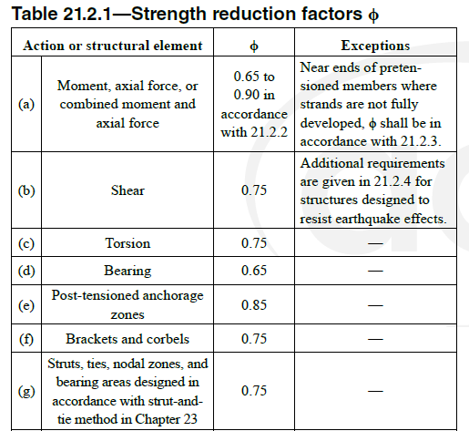
 | b1 = IF(fc′≤28;0.85;IF(fc′≥55;0.65;0.85-(0.05(fc′-28)/7))) = |  | 0.764 |  |  |  |  |  |  | ACI 318M-14 Cl. 22.2.2.4.3

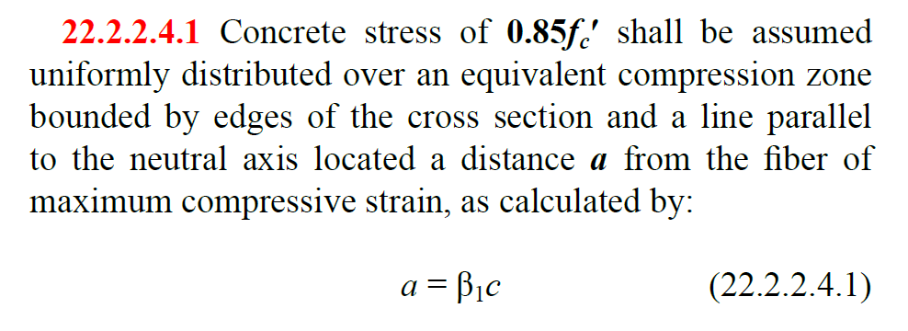
 | Beam Dimensions & Properties
 | Width of Concrete Beam, b = |  | 400 |  | mm
 | Depth of Concrete Beam, h = |  | 900 |  | mm
 | Concrete Cover to C.G. of Extreme Layer of Reinforcement, cc = |  | 50 |  | mm
 | Effective Depth of Beam to Extreme Layer of RFT, dt = h - cc = |  | 850 |  | mm
 | Distance from C.G. of Tension RFT to Extreme Layer, s = |  | 60 |  | mm
 | Effective Depth of Beam to C.G. of Tension RFT, d = dt - s = |  | 790 |  | mm
 | Depth of Compression Reinforcement, d′ = |  | 60 |  | mm

 | Straining Action - Ultimate
 | Factored Design Bending Moment, Mu = |  | 2400 |  | kN.m

 | Check If Compression Reinforcement is Required
 | ρmax = (0.85*β1*fc') / fy*(0.003 / (0.003+0.005)) = |  | 0.0232 |  |  |  |  |  |  | ACI 318M-14 Cl. 8.3.3.1
 | ωt = (ρmax*fy) / (fc') = 0.31875 β1 = |  | 0.2436
 | Rnt = ωt*(1 - 0.59*ωt)*fc' = |  | 8.3440 |  | N/mm2
 | Rn = Mu*106 / (f*b*dt2) = |  | 9.2272 |  | N/mm2
 | Compression Reinforcement is Required!

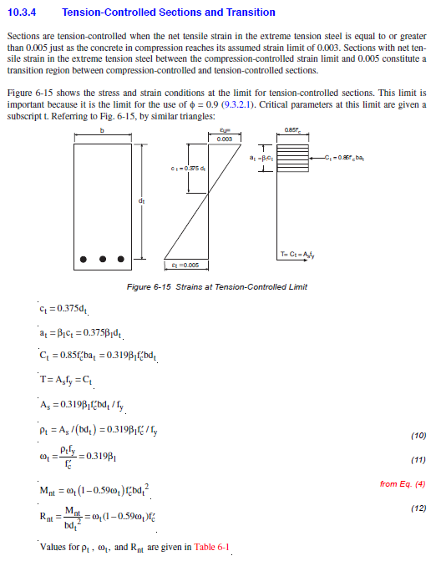
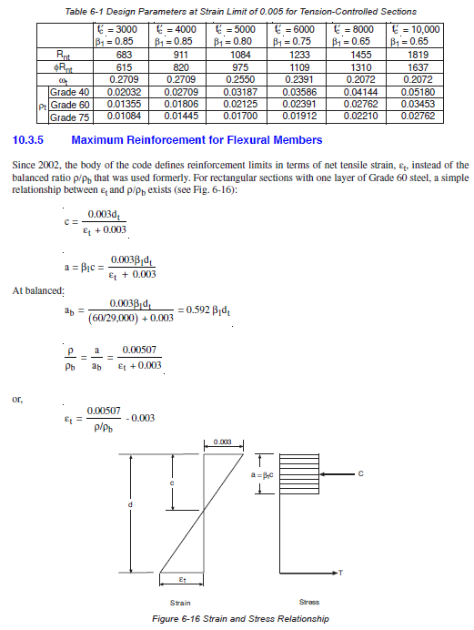
 | Determine Required Moment Resisted by Compression Reinforcement
 | ωt = (ρmax*fy) / (fc') = 0.31875 β1 = |  | 0.2436
 | rt = 0.31875*fc'*b1 / fy = |  | 0.0232
 | r = rt*dt / d = |  | 0.0250
 | ω = ρ*fy / fc' = |  | 0.2621
 | Moment Resisted by Tension RFT, Mnt = ω*(1 - 0.59*ω)*fc'*b*d2 / 106 = |  | 2212.6 |  | kN.m
 | Moment Resisted by Compression RFT, M'n = Mu / f - Mnt = |  | 454.0 |  | kN.m

 | Required Area of Compression Reinforcement
 | d'/climit = 1 - fy / (Es*0.003) = |  | 0.300
 | climit = (1 - fy / (Es*0.003))*dt = |  | 255.000 |  | mm
 | ccal = 0.375*dt = |  | 318.750 |  | mm
 | d'/ccal = |  | 0.188
 | fsi' = MIN (0.003*Es*(1 - d'/ccal) ; fy) = |  | 420 |  | N/mm2
 | fs' = IF (d'/ccal ≤ d'/climit ; fy ; fsi') = |  | 420 |  | N/mm2
 | Required RFT Area for Compression, As' = M'n*106 / (f's*(d - d')) = |  | 1481 |  | mm2
 | Bar Diameter of Compression Reinforcement, Øc = |  | 25 |  | mm
 | Provided Reinforcement Area, Asb = |  | 491 |  | mm2 |  | USE 4 - T25
 | Number of Bars, n = |  | 4
 | Provided Compression RFT Area, As'_Prov = |  | 1963 |  | mm2 |  |  | Valid Design!
 | Required Reinforcement Area for Tension, As = A's + (r*b*d) = |  | 9369 |  | mm2

 | Calculation of Minimum Area of Reinforcement
 | As_min1 = (0.25 √fc') / fy*b*d = |  | 1189.62 |  | mm2 |  |  |  |  | ACI 318M-14 Cl. 9.6.1.2(a)
 | As_min2 = 1.4 / fy*b*d = |  | 1053.33 |  | mm2 |  |  |  |  | ACI 318M-14 Cl. 9.6.1.2(b)
 | Minimum Area of Reinforcement, As_min = MAX (As_min1 ; As_min2) = |  | 1189.62 |  | mm2
 | Required Area of Reinforcement, Asc_Req = MAX (As ; As_min) = |  | 9369.40 |  | mm2
 | Bar Diameter of Tension Reinforcement, ØT = |  | 32 |  | mm
 | Provided Reinforcement Area, Asb = |  | 804 |  | mm2 |  | USE 12 - T32
 | Number of Bars, n = |  | 12
 | Provided Tension Reinforcement Area, Asc_Prov = n * Asb = |  | 9651 |  | mm2 |  |  | Valid Design!

 | Summary of Beam Design
 | Required Reinforcement Area for Compression, As' = As'_Prov = |  | 1963.50 |  | mm2 |  |  | USE 4 - T25
 | Required Reinforcement Area for Tension, Asc = Asc_prov = |  | 9650.97 |  | mm2 |  |  | USE 12 - T32

